Census_data_on_Kenyan_household
Household Id | City/ Town | Number of occupants | Access to running water?
33 | Mombasa | 1 | yes
34 | Mombasa | 1 | yes
35 | Mombasa | 1 | yes | Measures of spread | Minimum | First quartile | Second quartile | Third quartile | Maximum | Inter quartile range | Range
36 | Mombasa | 1 | yes | Measures of spread | 1 | 3 | 4 | 4 | 7 | 1 | 6
37 | Mombasa | 1 | no
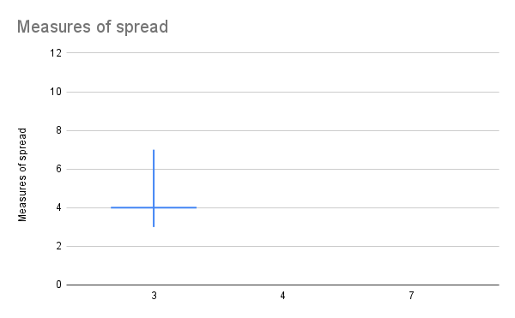
18 | Nairobi | 2 | yes
19 | Nairobi | 2 | yes
20 | Nairobi | 2 | yes
21 | Nairobi | 2 | yes
22 | Nairobi | 2 | no
23 | Nairobi | 2 | no
24 | Nairobi | 2 | no
25 | Nairobi | 2 | yes
26 | Nairobi | 3 | yes
27 | Kituyi | 3 | yes
28 | Kituyi | 3 | yes
29 | Mombasa | 3 | yes
30 | Mombasa | 3 | yes
31 | Mombasa | 3 | yes
32 | Mombasa | 3 | yes
46 | Nairobi | 3 | yes
47 | Nairobi | 3 | yes
48 | Nairobi | 3 | yes
49 | Nairobi | 3 | yes
50 | Nairobi | 3 | yes
51 | Nairobi | 3 | yes
52 | Nairobi | 3 | no
53 | Nairobi | 3 | no
54 | Mombasa | 3 | no
55 | Nairobi | 3 | no
56 | Nairobi | 3 | yes
57 | Nairobi | 3 | yes
1 | Nairobi | 4 | yes
5 | Kituyi | 4 | no
6 | Mombasa | 4 | yes
7 | Mombasa | 4 | no
8 | Mombasa | 4 | yes
9 | Mombasa | 4 | yes
10 | Mombasa | 4 | yes
11 | Mombasa | 4 | no
12 | Kituyi | 4 | no
58 | Nairobi | 4 | yes
59 | Nairobi | 4 | yes
60 | Mombasa | 4 | yes
61 | Mombasa | 4 | yes
62 | Mombasa | 4 | no
63 | Nairobi | 4 | no
64 | Nairobi | 4 | no
65 | Nairobi | 4 | no
66 | Nairobi | 4 | no
67 | Nairobi | 4 | yes
68 | Mombasa | 4 | yes
69 | Mombasa | 4 | yes
70 | Mombasa | 4 | yes
71 | Mombasa | 4 | yes
72 | Mombasa | 4 | yes
73 | Mombasa | 4 | no
74 | Kituyi | 4 | no
75 | Kituyi | 4 | no
76 | Kituyi | 4 | no
77 | Kituyi | 4 | no
78 | Kituyi | 4 | yes
79 | Kituyi | 4 | yes
38 | Nairobi | 5 | no
39 | Nairobi | 5 | no
40 | Nairobi | 5 | no
41 | Nairobi | 5 | no
2 | Mombasa | 6 | yes
3 | Kikuyu | 6 | no
4 | Kituyi | 6 | yes
13 | Kituyi | 6 | no
14 | Kituyi | 6 | no
15 | Kituyi | 6 | no
16 | Kituyi | 6 | yes
17 | Kituyi | 6 | yes
42 | Kikuyu | 7 | no
43 | Kikuyu | 7 | no
44 | Kikuyu | 7 | no
45 | Kikuyu | 7 | no

